Bug report #002
ID | #002
Summary | User can start checkout process with empty cart
Description | The checkout process starts when the basket is empty and the "Checkput" button is clicked
Steps to reproduce | Expected result | Actual result | Priority | Screenshot
Open browser
Navigate to URL: https://www.saucedemo.com/
Click on "Username" text input field
Enter a valid test username (standard_user)
Click on "Password" text input field
Enter a valid test password (secret_sauce)
Click on "Login" button
Click on the "shopping cart" button in the upper right corner of the page
Make sure the cart is empty, if not remove all items from it
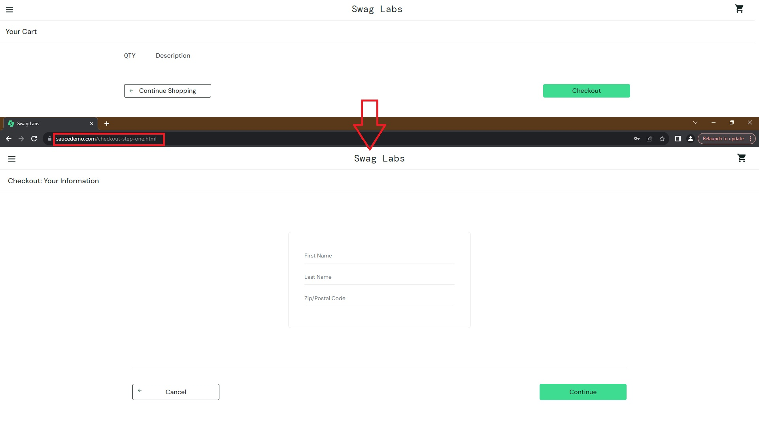
Click on "Checkout" button | The user has not started the checkout process and the corresponding message is displayed | The user has started the checkout process and no corresponding message is displayed | High

